Sheet1
Photo | Name | Program | Email | Phone Number | Keywords of Research
 | Taichong Ma | Ph.D(MSE) | taichong@uw.edu | 4124789498 | Flexible battery
 | Michael Crump | Ph.D. (MSE) | mcrump27@uw.edu | 612-812-3613 | Printed piezoelectric sensors; stretchable strain sensors
 | Holly Brunner | PhD (MSE) | hjcbrunner@gmail.com | 650-291-9470
 | Gabe Hutton | Masters (MSE) | huttog@uw.edu | 425-295-4164 | Thermaly conductive polymers
 | Oliver Nakano-Baker | Ph. D. (MSE) | onb@uw.edu | 503-621-7478 | Modeling; Machine Learning; Electrode Design; Additive Control
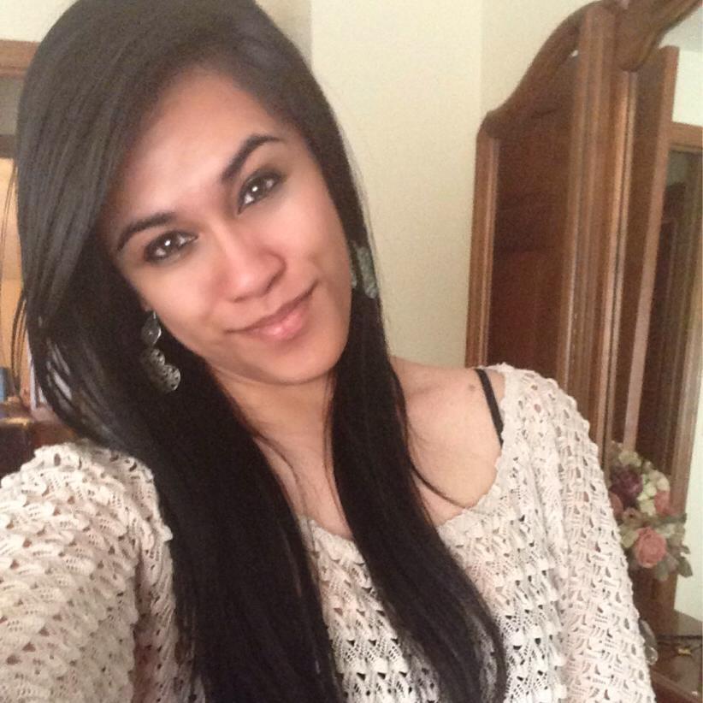 | Malia Steward | Ph.D. (MechE) | maliaks1@uw.edu | 425-223-1825 | Organic Photovoltaics; Light Trapping
 | Felippe Pavinatto | WCET / Staff Scientist | felippe@uw.edu | 206-660-8630 | Printing
 | Brandon Rotondo | Ph.D(MSE) | brotondo@uw.edu | 530-363-4951 | Perovskite Photovoltaics; scalable depostion/heat treatments
 | Liang Xu | Master (MSE) | xuliang1@uw.edu | 206-235-8988 | Polymer Electrolyte
 | Connor Swanson | Master (MSE) | cjs45@uw.edu | 910-849-4791 | Perovskite crystals, photonic structures
 | Zihao Tao | Master (MSE) | taozihao@uw.edu | 206-6377-865 | Perovskite IPL sintering

